Malacca
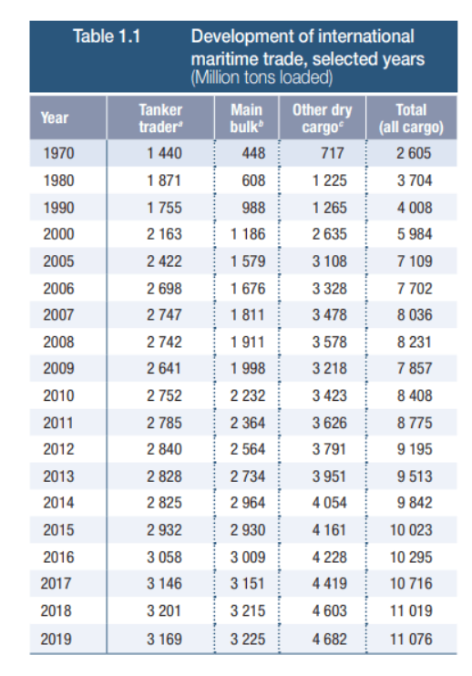
Timeline | Values | Forecast | Lower Confidence Bound | Upper Confidence Bound | Statistic | Value
2000 | 55957 |  |  |  | Alpha | 0.10
2001 | 59314 |  |  |  | Beta | 0.00
2002 | 60034 |  |  |  | Gamma | 0.00
2003 | 62334 |  |  |  | MASE | 0.22
2004 | 63636 |  |  |  | SMAPE | 0.01
2005 | 62621 |  |  |  | MAE | 664.04
2006 | 65649 |  |  |  | RMSE | 829.65
 | Values | Forecast | Lower Confidence Bound | Upper Confidence Bound
 | 55957
 | 59314
 | 60034
 | 62334
 | 63636
 | 62621
 | 65649
 | 70718
 | 76381
 | 71359
 | 74133
 | 73538
 | 75477
 | 77973
 | 79344
 | 80960
 | 83740
 | 84456 | 84456 | 84456 | 84456
 |  | 86261.542857 | 82337.304801 | 90185.780913
 |  | 87895.054411 | 83950.851564 | 91839.257257
 |  | 89528.565965 | 85564.10459 | 93493.02734
 |  | 91162.077518 | 87177.064492 | 95147.090545
 |  | 92795.589072 | 88789.731939 | 96801.446206
 |  | 94429.100626 | 90402.107647 | 98456.093605
 |  | 96062.61218 | 92014.192382 | 100111.03198
 |  | 97696.123734 | 93625.986957 | 101766.26051
 |  | 99329.635287 | 95237.492226 | 103421.77835
 |  | 100963.14684 | 96848.70909 | 105077.58459
 |  | 102596.65839 | 98459.638489 | 106733.6783
 |  | 104230.16995 | 100070.2814 | 108390.0585
 |  | 105863.6815 | 101680.63885 | 110046.72416
 |  | 107497.19306 | 103290.71188 | 111703.67424
 |  | 109130.70461 | 104900.50158 | 113360.90764
 |  | 110764.21616 | 106510.00907 | 115018.42326
 |  | 112397.72772 | 108119.23551 | 116676.21993
 |  | 114031.23927 | 109728.18206 | 118334.29648
 |  | 115664.75083 | 111336.84995 | 119992.6517
 |  | 117298.26238 | 112945.2404 | 121651.28436
 |  | 118931.77393 | 114553.35467 | 123310.19319
 |  | 120565.28549 | 116161.19405 | 124969.37693
 |  | 122198.79704 | 117768.75983 | 126628.83426
 |  | 123832.30859 | 119376.05333 | 128288.56385
 |  | 125465.82015 | 120983.07591 | 129948.56438
 |  | 127099.3317 | 122589.82892 | 131608.83448
 |  | 128732.84326 | 124196.31374 | 133269.37277
 |  | 130366.35481 | 125802.53175 | 134930.17787
 |  | 131999.86636 | 127408.48436 | 136591.24837
 |  | 133633.37792 | 129014.17299 | 138252.58285
 |  | 135266.88947 | 130619.59906 | 139914.17988
 |  | 136900.40102 | 132224.76401 | 141576.03804
...
2007 | 70718
2008 | 76381
2009 | 71359
2010 | 74133
2011 | 73538
2012 | 75477
2013 | 77973
2014 | 79344
2015 | 80960
2016 | 83740
2017 | 84456 | 84456 | 84456.00 | 84456.00
2018 |  | 86261.542857 | 82337.30 | 90185.78
2019 |  | 87895.054411 | 83950.85 | 91839.26
2020 |  | 89528.565965 | 85564.10 | 93493.03
2021 |  | 91162.077518 | 87177.06 | 95147.09
2022 |  | 92795.589072 | 88789.73 | 96801.45
2023 |  | 94429.100626 | 90402.11 | 98456.09
2024 |  | 96062.61218 | 92014.19 | 100111.03
2025 |  | 97696.123734 | 93625.99 | 101766.26
2026 |  | 99329.635287 | 95237.49 | 103421.78
2027 |  | 100963.14684 | 96848.71 | 105077.58
2028 |  | 102596.65839 | 98459.64 | 106733.68
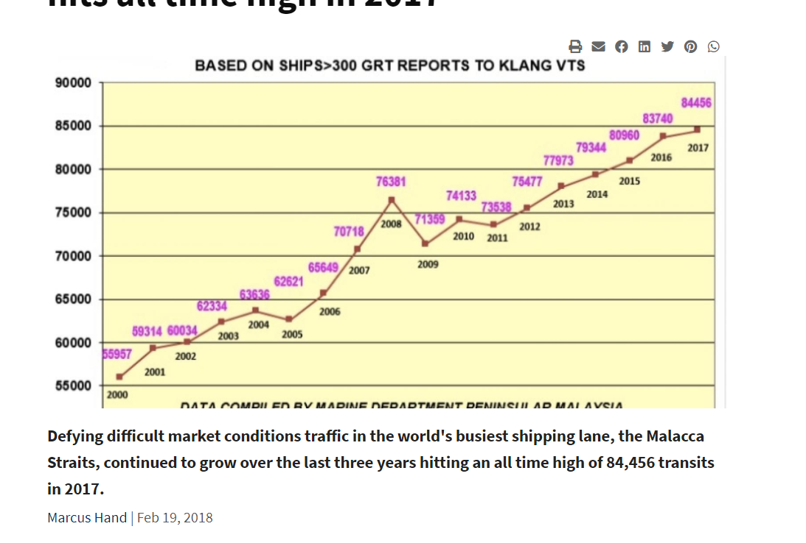
2029 |  | 104230.16995 | 100070.28 | 108390.06
2030 |  | 105863.6815 | 101680.64 | 110046.72
2031 |  | 107497.19306 | 103290.71 | 111703.67
2032 |  | 109130.70461 | 104900.50 | 113360.91
2033 |  | 110764.21616 | 106510.01 | 115018.42
2034 |  | 112397.72772 | 108119.24 | 116676.22
2035 |  | 114031.23927 | 109728.18 | 118334.30
2036 |  | 115664.75083 | 111336.85 | 119992.65
2037 |  | 117298.26238 | 112945.24 | 121651.28
2038 |  | 118931.77393 | 114553.35 | 123310.19
2039 |  | 120565.28549 | 116161.19 | 124969.38
2040 |  | 122198.79704 | 117768.76 | 126628.83
2041 |  | 123832.30859 | 119376.05 | 128288.56
2042 |  | 125465.82015 | 120983.08 | 129948.56
2043 |  | 127099.3317 | 122589.83 | 131608.83
2044 |  | 128732.84326 | 124196.31 | 133269.37
2045 |  | 130366.35481 | 125802.53 | 134930.18
2046 |  | 131999.86636 | 127408.48 | 136591.25
2047 |  | 133633.37792 | 129014.17 | 138252.58
2048 |  | 135266.88947 | 130619.60 | 139914.18
2049 |  | 136900.40102 | 132224.76 | 141576.04
2050 |  | 138533.91258 | 133829.67 | 143238.16
2051 |  | 140167.42413 | 135434.32 | 144900.53
2052 |  | 141800.93569 | 137038.71 | 146563.16
2053 |  | 143434.44724 | 138642.84 | 148226.05
2054 |  | 145067.95879 | 140246.72 | 149889.19
2055 |  | 146701.47035 | 141850.35 | 151552.59
2056 |  | 148334.9819 | 143453.73 | 153216.23
2057 |  | 149968.49346 | 145056.86 | 154880.13
2058 |  | 151602.00501 | 146659.74 | 156544.27
2059 |  | 153235.51656 | 148262.37 | 158208.66
2060 |  | 154869.02812 | 149864.76 | 159873.29
2061 |  | 156502.53967 | 151466.91 | 161538.17

NSR
 | Values | Forecast | Lower Confidence Bound | Upper Confidence Bound
 | 41.00
 | 46.00
 | 71.00
 | 53.00
 | 18.00
 | 19.00
 | 27.00
 | 27.00
 | 37.00
 | 64.00
 | 78.00
 | 106.00
 | 146.00
 | 199.00
 | 274.00
 | 375.00
 | 514.00
 | 705.00
 | 966.00
 | 1,325.00 | 1325 | 1325 | 1325
 |  | 1619.0630119 | 1469.471165 | 1768.6548587
 |  | 2015.3110306 | 1707.4133234 | 2323.2087378
 |  | 2436.7583669 | 1929.1236639 | 2944.3930699
 |  | 2795.4506362 | 2055.7039945 | 3535.1972778
 |  | 3089.692271 | 2079.8859298 | 4099.4986123
 |  | 3485.9402897 | 2193.2549672 | 4778.6256123
 |  | 3907.387626 | 2308.1640253 | 5506.6112268
 |  | 4266.0798953 | 2338.5626878 | 6193.5971029
 |  | 4560.3215302 | 2276.3120332 | 6844.3310272
 |  | 4956.5695489 | 2305.9712437 | 7607.1678542
 |  | 5378.0168852 | 2342.4801576 | 8413.5536128
 |  | 5736.7091545 | 2298.7873518 | 9174.6309572
 |  | 6030.9507894 | 2167.232575 | 9894.6690038
 |  | 6427.1988081 | 2129.0971097 | 10725.300506
 |  | 6848.6461444 | 2100.6398888 | 11596.6524
 |  | 7207.3384137 | 1994.455774 | 12420.221053
 |  | 7501.5800486 | 1803.375495 | 13199.784602
 |  | 7897.8280673 | 1706.7033748 | 14088.95276
 |  | 8319.2754036 | 1621.5350551 | 15017.015752
 |  | 8677.9676728 | 1460.2942957 | 15895.64105
 |  | 8972.2093077 | 1216.2233242 | 16728.195291
 |  | 9368.4573264 | 1067.2718248 | 17669.642828
 |  | 9789.9046627 | 931.12712561 | 18648.6822
 |  | 10148.596932 | 720.11528713 | 19577.078577
 |  | 10442.838567 | 427.81795367 | 20457.85918
 |  | 10839.086586 | 231.18318063 | 21446.989991
 |  | 11260.533922 | 48.345306436 | 22472.722537
 |  | 11619.226191 | -208.43147948 | 23446.883862
 |  | 11913.467826 | -545.28259944 | 24372.218252
 |  | 12309.715845 | -786.03903305 | 25405.470723
...
Timeline | Values | Forecast | Lower Confidence Bound | Upper Confidence Bound
2011 | 41.00
2012 | 46.00
2013 | 71.00
2014 | 53.00
2015 | 18.00
2016 | 19.00
2017 | 27.00
2018 | 27.00
2019 | 37.00
2020 | 64.00
2021 | 78.00
2022 | 106.00
2023 | 146.00
2024 | 199.00
2025 | 274.00
2026 | 375.00
2027 | 514.00
2028 | 705.00 |  |  |  | No. of Vessels passing the North Sea Route
2029 | 966.00
2030 | 1,325.00 | 1,325.00 | 1,325.00 | 1,325.00
2031 |  | 1,619.06 | 1,469.47 | 1,768.65
2032 |  | 2,015.31 | 1,707.41 | 2,323.21
2033 |  | 2,436.76 | 1,929.12 | 2,944.39
2034 |  | 2,795.45 | 2,055.70 | 3,535.20
2035 |  | 3,089.69 | 2,079.89 | 4,099.50
2036 |  | 3,485.94 | 2,193.25 | 4,778.63
2037 |  | 3,907.39 | 2,308.16 | 5,506.61
2038 |  | 4,266.08 | 2,338.56 | 6,193.60
2039 |  | 4,560.32 | 2,276.31 | 6,844.33
2040 |  | 4,956.57 | 2,305.97 | 7,607.17
2041 |  | 5,378.02 | 2,342.48 | 8,413.55
2042 |  | 5,736.71 | 2,298.79 | 9,174.63
2043 |  | 6,030.95 | 2,167.23 | 9,894.67
2044 |  | 6,427.20 | 2,129.10 | 10,725.30
2045 |  | 6,848.65 | 2,100.64 | 11,596.65
2046 |  | 7,207.34 | 1,994.46 | 12,420.22
2047 |  | 7,501.58 | 1,803.38 | 13,199.78
2048 |  | 7,897.83 | 1,706.70 | 14,088.95
2049 |  | 8,319.28 | 1,621.54 | 15,017.02
2050 |  | 8,677.97 | 1,460.29 | 15,895.64
2051 |  | 8,972.21 | 1,216.22 | 16,728.20
2052 |  | 9,368.46 | 1,067.27 | 17,669.64
2053 |  | 9,789.90 | 931.13 | 18,648.68
2054 |  | 10,148.60 | 720.12 | 19,577.08
2055 |  | 10,442.84 | 427.82 | 20,457.86
2056 |  | 10,839.09 | 231.18 | 21,446.99
2057 |  | 11,260.53 | 48.35 | 22,472.72
2058 |  | 11,619.23 | (208.43) | 23,446.88
2059 |  | 11,913.47 | (545.28) | 24,372.22
2060 |  | 12,309.72 | (786.04) | 25,405.47
2061 |  | 12,731.16 | (1,012.21) | 26,474.54
2062 |  | 13,089.86 | (1,311.58) | 27,491.29
2063 |  | 13,384.10 | (1,690.05) | 28,458.24
2064 |  | 13,780.35 | (1,972.06) | 29,532.75
2065 |  | 14,201.79 | (2,238.85) | 30,642.43

